Advance Sort
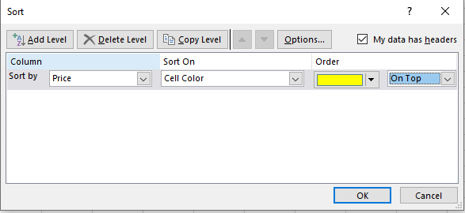
Product | Price | Discount Price
Lehenga | 2500 | 250 | *Sort by cell colour for Price using the Advanced Sort option
Saree | 3000 | 300
T-Shirt | 300 | 30
Shirt | 500 | 50
Jean | 1500 | 150

Data
Product | Price | Discount Price
T-Shirt | 300 | 30
Shirt | 500 | 50
Lehenga | 2500 | 250
Jean | 1500 | 150
Saree | 3000 | 300

